MA and Decomp
Series and MA(3) Smoother
Year | Month | Sales | MV(3) | Lag(1) Series | Detrend Data | Trend Data | Seasonal Indices | Random Component
2011 | Jan-2011 | 154 | NA | NA |  | NA | 1.3001485 | NA
2011 | Feb-2011 | 96 | 107.67 | 154 |  | NA | 0.834864 | NA
2011 | Mar-2011 | 73 | 72.67 | 96 |  | NA | 0.6548908 | NA
2011 | Apr-2011 | 49 | 52.67 | 73 |  | NA | 0.5192156 | NA
2011 | May-2011 | 36 | 48.00 | 49 |  | NA | 0.433515 | NA
2011 | Jun-2011 | 59 | 63.33 | 36 |  | NA | 0.4790917 | NA
2011 | Jul-2011 | 95 | 107.67 | 59 | 0.64 | 148.75 | 0.6785455 | 0.9412125
2011 | Aug-2011 | 169 | 158.00 | 95 | 1.11 | 151.5833 | 0.8926289 | 1.2490054
2011 | Sep-2011 | 210 | 219.00 | 169 | 1.37 | 153.2083 | 1.3403958 | 1.0225954
2011 | Oct-2011 | 278 | 262.00 | 210 | 1.79 | 155.1667 | 1.7328858 | 1.0338949
2011 | Nov-2011 | 298 | 273.67 | 278 | 1.88 | 158.1667 | 1.8269319 | 1.0312856
2011 | Dec-2011 | 245 | 247.67 | 298 | 1.52 | 161.25 | 1.3068867 | 1.1625949
2012 | Jan-2012 | 200 | 187.67 | 245 | 1.21 | 165.5833 | 1.3001485 | 0.9290101
2012 | Feb-2012 | 118 | 136.00 | 200 | 0.70 | 168.5833 | 0.834864 | 0.8384007 | 1) Major features noticed in series:
2012 | Mar-2012 | 90 | 95.67 | 118 | 0.52 | 171.875 | 0.6548908 | 0.7995782 | A) There is visible increasing trend along with evenly distributed seasonality
2012 | Apr-2012 | 79 | 82.33 | 90 | 0.44 | 178.0417 | 0.5192156 | 0.8545899 | B) There is one season evident every year for sales. Sales starts increasing from Aug, touches its peak during oct/Nov and falls back by Feb/March touches lowest during My/June.
2012 | May-2012 | 78 | 82.67 | 79 | 0.42 | 184.125 | 0.433515 | 0.9771871
2012 | Jun-2012 | 91 | 112.00 | 78 | 0.49 | 185.5833 | 0.4790917 | 1.0234905 | 2) Since there is visible trend and seasonality we will build Multiplicative type seasonal exponential smoothing model for forecasting
2012 | Jul-2012 | 167 | 142.33 | 91 | 0.90 | 184.7917 | 0.6785455 | 1.3318495
2012 | Aug-2012 | 169 | 208.33 | 167 | 0.91 | 185.1667 | 0.8926289 | 1.0224756 | Hypothesis Test for residual stationarirty using ADF
2012 | Sep-2012 | 289 | 268.33 | 169 | 1.56 | 185.2917 | 1.3403958 | 1.1636139
2012 | Oct-2012 | 347 | 337.00 | 289 | 1.86 | 186.25 | 1.7328858 | 1.0751356 |  | H0: | Residuals not Stationary
2012 | Nov-2012 | 375 | 308.33 | 347 | 2.01 | 186.375 | 1.8269319 | 1.1013396 |  | H1: | Residuals form a stationary
2012 | Dec-2012 | 203 | 267.00 | 375 | 1.09 | 186.5833 | 1.3068867 | 0.8325019
2013 | Jan-2013 | 223 | 176.67 | 203 | 1.20 | 185.5833 | 1.3001485 | 0.9242149 |  | adf.test(na.omit(CompX.mult$random)) | Augmented Dickey-Fuller Test
2013 | Feb-2013 | 104 | 144.67 | 223 | 0.56 | 186 | 0.834864 | 0.6697375
2013 | Mar-2013 | 107 | 98.67 | 104 | 0.56 | 189.6667 | 0.6548908 | 0.8614378 |  | data: na.omit(CompX.mult$random)
2013 | Apr-2013 | 85 | 89.00 | 107 | 0.43 | 196.2917 | 0.5192156 | 0.8340064 |  | Dickey-Fuller = -4.1984, Lag order = 3, p-value = 0.01
2013 | May-2013 | 75 | 86.33 | 85 | 0.36 | 205.7083 | 0.433515 | 0.841018 |  | alternative hypothesis: stationary
2013 | Jun-2013 | 99 | 103.00 | 75 | 0.46 | 215.5417 | 0.4790917 | 0.9587058
2013 | Jul-2013 | 135 | 148.33 | 99 | 0.60 | 225.7917 | 0.6785455 | 0.881144 | Based on p-value above, We can safely reject null hypothesis - hence, Residuals form a Stationary series
Detrend Data (Y(t)/T(t))
 | Detrend Data
 | 0.64
 | 1.11
 | 1.37
 | 1.79
 | 1.88
 | 1.52
 | 1.21
 | 0.70
 | 0.52
 | 0.44
 | 0.42
 | 0.49
 | 0.90
 | 0.91
 | 1.56
 | 1.86
 | 2.01
 | 1.09
 | 1.20
 | 0.56
 | 0.56
 | 0.43
 | 0.36
 | 0.46
 | 0.60
 | 0.89
 | 1.35
 | 1.80
 | 1.87
 | 1.22
 | 1.27
 | 0.94
 | 0.79
 | 0.48
 | 0.49
 | 0.46
 | 0.68
 | 0.80
 | 1.27
 | 1.57
 | 1.70
 | 1.28
 | 1.41
 | 1.09
...
2013 | Aug-2013 | 211 | 227.00 | 135 | 0.89 | 237.4583 | 0.8926289 | 0.9954607
2013 | Sep-2013 | 335 | 335.33 | 211 | 1.35 | 248.875 | 1.3403958 | 1.0042237
2013 | Oct-2013 | 460 | 427.67 | 335 | 1.80 | 256.0833 | 1.7328858 | 1.0365889
2013 | Nov-2013 | 488 | 424.67 | 460 | 1.87 | 261.4583 | 1.8269319 | 1.0216332
2013 | Dec-2013 | 326 | 386.67 | 488 | 1.22 | 266.4167 | 1.3068867 | 0.936307
2014 | Jan-2014 | 346 | 311.00 | 326 | 1.27 | 272 | 1.3001485 | 0.9783951
2014 | Feb-2014 | 261 | 277.00 | 346 | 0.94 | 278.2083 | 0.834864 | 1.123711
2014 | Mar-2014 | 224 | 208.67 | 261 | 0.79 | 285.3333 | 0.6548908 | 1.1987446
2014 | Apr-2014 | 141 | 171.00 | 224 | 0.48 | 294.0833 | 0.5192156 | 0.9234237
2014 | May-2014 | 148 | 144.67 | 141 | 0.49 | 303.4167 | 0.433515 | 1.1251701
2014 | Jun-2014 | 145 | 172.00 | 148 | 0.46 | 314.4583 | 0.4790917 | 0.962468
2014 | Jul-2014 | 223 | 213.33 | 145 | 0.68 | 327.5 | 0.6785455 | 1.0034936
2014 | Aug-2014 | 272 | 313.33 | 223 | 0.80 | 340.625 | 0.8926289 | 0.8945847
2014 | Sep-2014 | 445 | 425.67 | 272 | 1.27 | 349.75 | 1.3403958 | 0.9492251
2014 | Oct-2014 | 560 | 539.00 | 445 | 1.57 | 355.7917 | 1.7328858 | 0.9082853
2014 | Nov-2014 | 612 | 546.33 | 560 | 1.70 | 360.6667 | 1.8269319 | 0.9288018
2014 | Dec-2014 | 467 | 532.33 | 612 | 1.28 | 364.375 | 1.3068867 | 0.9806869
2015 | Jan-2015 | 518 | 463.00 | 467 | 1.41 | 367.0833 | 1.3001485 | 1.0853558
2015 | Feb-2015 | 404 | 407.33 | 518 | 1.09 | 371.0417 | 0.834864 | 1.3041962
2015 | Mar-2015 | 300 | 304.67 | 404 | 0.80 | 374.7917 | 0.6548908 | 1.2222568
2015 | Apr-2015 | 210 | 235.33 | 300 | 0.55 | 380.5833 | 0.5192156 | 1.0627273
2015 | May-2015 | 196 | 197.33 | 210 | 0.50 | 389.7083 | 0.433515 | 1.160145 |  |  | Jan | Feb | Mar | Apr | May | Jun | Jul | Aug | Sep | Oct | Nov | Dec
2015 | Jun-2015 | 186 | 209.67 | 196 | 0.47 | 399.7917 | 0.4790917 | 0.9710925 |  | 2011 | NA | NA | NA | NA | NA | NA | 148.75 | 151.5833 | 153.2083 | 155.1667 | 158.1667 | 161.25
2015 | Jul-2015 | 247 | 258.67 | 186 | 0.60 | 409.7083 | 0.6785455 | 0.8884709 |  | 2012 | 165.5833 | 168.5833 | 171.875 | 178.0417 | 184.125 | 185.5833 | 184.7917 | 185.1667 | 185.2917 | 186.25 | 186.375 | 186.5833
2015 | Aug-2015 | 343 | 351.33 | 247 | 0.83 | 413.1667 | 0.8926289 | 0.930032 |  | 2013 | 185.5833 | 186 | 189.6667 | 196.2917 | 205.7083 | 215.5417 | 225.7917 | 237.4583 | 248.875 | 256.0833 | 261.4583 | 266.4167
2015 | Sep-2015 | 464 | 495.67 | 343 | 1.13 | 411.5417 | 1.3403958 | 0.8411455 |  | 2014 | 272 | 278.2083 | 285.3333 | 294.0833 | 303.4167 | 314.4583 | 327.5 | 340.625 | 349.75 | 355.7917 | 360.6667 | 364.375
2015 | Oct-2015 | 680 | 618.33 | 464 | 1.64 | 415.0833 | 1.7328858 | 0.945374 |  | 2015 | 367.0833 | 371.0417 | 374.7917 | 380.5833 | 389.7083 | 399.7917 | 409.7083 | 413.1667 | 411.5417 | 415.0833 | 419.4583 | 422.125
2015 | Nov-2015 | 711 | 667.00 | 680 | 1.70 | 419.4583 | 1.8269319 | 0.9278087 |  | 2016 | 428.2917 | 434.0417 | 445.4583 | 461.75 | 476.8333 | 486.75 | 489.625 | 486.75 | 485.375 | 484.4167 | 484.7917 | NA
2015 | Dec-2015 | 610 | 644.67 | 711 | 1.45 | 422.125 | 1.3068867 | 1.1057344 |  | 201700% | NA | NA | NA | NA | NA
2016 | Jan-2016 | 613 | 538.33 | 610 | 1.43 | 428.2917 | 1.3001485 | 1.1008494
2016 | Feb-2016 | 392 | 426.00 | 613 | 0.90 | 434.0417 | 0.834864 | 1.0817799
2016 | Mar-2016 | 273 | 329.00 | 392 | 0.61 | 445.4583 | 0.6548908 | 0.9358079
2016 | Apr-2016 | 322 | 261.33 | 273 | 0.70 | 461.75 | 0.5192156 | 1.3430781
2016 | May-2016 | 189 | 256.00 | 322 | 0.40 | 476.8333 | 0.433515 | 0.914305
2016 | Jun-2016 | 257 | 256.67 | 189 | 0.53 | 486.75 | 0.4790917 | 1.1020684
2016 | Jul-2016 | 324 | 328.33 | 257 | 0.66 | 489.625 | 0.6785455 | 0.9752197
2016 | Aug-2016 | 404 | 468.33 | 324 | 0.83 | 486.75 | 0.8926289 | 0.9298319
2016 | Sep-2016 | 677 | 646.33 | 404 | 1.39 | 485.375 | 1.3403958 | 1.0405866
2016 | Oct-2016 | 858 | 810.00 | 677 | 1.77 | 484.4167 | 1.7328858 | 1.0221115
2016 | Nov-2016 | 895 | 805.67 | 858 | 1.85 | 484.7917 | 1.8269319 | 1.0105214
2016 | Dec-2016 | 664 | 729.00 | 895 |  | NA | 1.3068867 | NA
2017 | Jan-2017 | 628 | 533.33 | 664 |  | NA | 1.3001485 | NA
2017 | Feb-2017 | 308 | 420.00 | 628 |  | NA | 0.834864 | NA
2017 | Mar-2017 | 324 | 293.33 | 308 |  | NA | 0.6548908 | NA
2017 | Apr-2017 | 248 | 281.33 | 324 |  | NA | 0.5192156 | NA
2017 | May-2017 | 272 | NA | 248 |  | NA | 0.433515 | NA

Holt-Winter
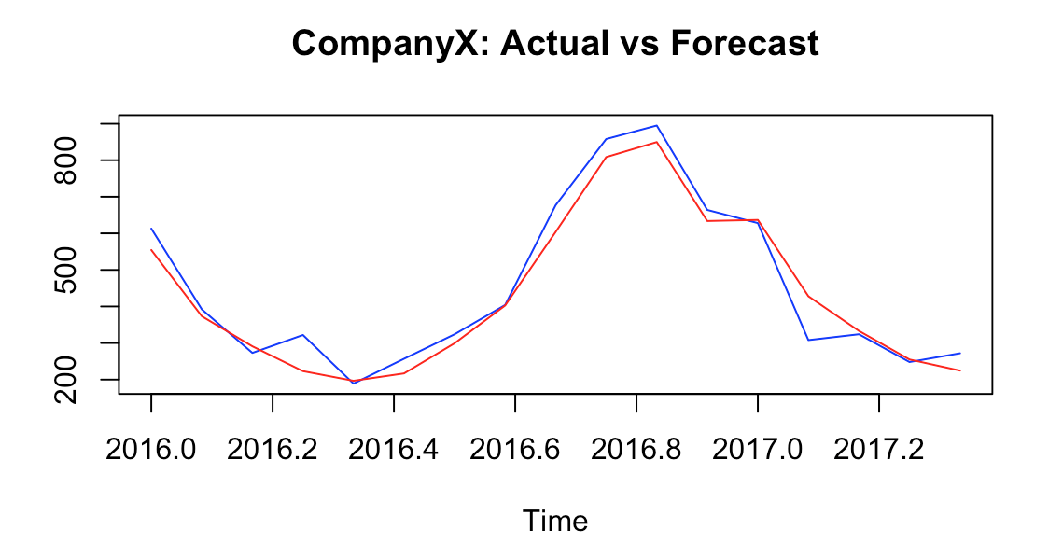
Month-Year | Sales | Forecast | Upper Confidence |  | Lower Confidence
 |  |  | 80% | 95% | 80% | 95%
Jan-2016 | 613 | 554.4252 | 674.0229 | 737.3341 | 434.8276 | 371.5164
Feb-2016 | 392 | 373.2237 | 453.8932 | 496.597 | 292.5542 | 249.8504
Mar-2016 | 273 | 291.0443 | 354.0731 | 387.4385 | 228.0156 | 194.6502
Apr-2016 | 322 | 223.0978 | 271.5032 | 297.1275 | 174.6923 | 149.068
May-2016 | 189 | 196.7684 | 239.54 | 262.1819 | 153.9969 | 131.355
Jun-2016 | 257 | 216.9045 | 264.1381 | 289.1421 | 169.6709 | 144.667
Jul-2016 | 324 | 299.4079 | 364.7227 | 399.2982 | 234.0931 | 199.5176
Aug-2016 | 404 | 402.5894 | 490.5646 | 537.1358 | 314.6142 | 268.043
Sep-2016 | 677 | 603.8469 | 736.0247 | 805.9954 | 471.6691 | 401.6983
Oct-2016 | 858 | 808.581 | 985.8671 | 1079.7167 | 631.2949 | 537.4453
Nov-2016 | 895 | 849.713 | 1036.3203 | 1135.1042 | 663.1056 | 564.3217
Dec-2016 | 664 | 636.6899 | 773.0992 | 846.8888 | 494.3157 | 420.5261
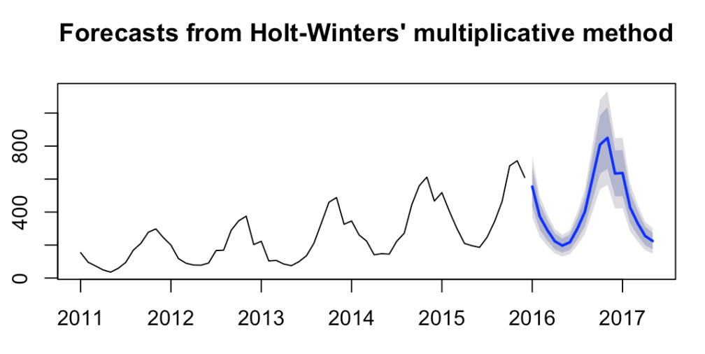
Jan-2017 | 628 | 427.9256 | 776.9576 | 851.2109 | 496.4222 | 422.1689
Feb-2017 | 308 | 333.1868 | 522.3458 | 572.3289 | 333.5054 | 283.5223
Mar-2017 | 324 | 255.0166 | 406.8143 | 445.7903 | 259.5594 | 220.5834
Apr-2017 | 248 | 224.5886 | 311.4537 | 341.3297 | 198.5796 | 168.7036
May-2017 | 272 | 633.7075 | 274.3643 | 300.7139 | 174.813 | 148.4633

 | # Final tunned Holt-Winter model
 | CompXFC <- hw(CompX1, seasonal='m',alpha=0.0628, beta=0.0001, gamma=0.0001, h=17 )
 | plot(CompXFC)
 | CompXFC$mean

 | MAPE | 0.09936723

